1
Preparing a classified balance sheet in report form, and using the current and debt ratios to evaluate a company

Selected accounts of Blume Irrigation System at December 31, 2020, follow:
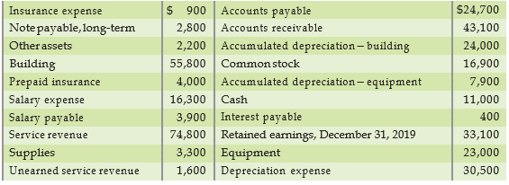

Requirements
1. Prepare the company’s classified balance sheet in report form at December 31, 2020.
2. Compute the company’s current ratio and debt ratio at December 31, 2020. At December 31, 2019, the current ratio was 1.81 and the debt ratio was 0.34. Did the company’s ability to pay debts improve or deteriorate, or did it remain the same during 2020?
Requirement 1
Blume Irrigation Systems
Balance Sheet
December 31, 2020
ASSETS
Current assets:
Cash |  | $11,000
account receviable |  | $43,100
supplies |  | $3,300
prepaid insurance |  | $4,000
Total current assets |  |  | $61,400
Plant assets:
Equipment |  | $23,000
Accumulated depreciation- Equipment |  | (7,900) | 15,100
Building |  | 55,800
Accumulated depreciation- Building |  | (24,000) | 31,800
Other assets |  |  | 2,200
Total assets |  |  | $110,500

LIABILITIES
Current liabilities:
Accounts payable |  | $24,700
salary payable |  | $3,900
interest payable |  | $400
unearned service revenue |  | $1,600
Total current liabilities |  |  | $30,600
Note payable, long Term |  |  | $2,800
Total liabilities |  |  | $33,400
OWNER'S EQUITY
Retained Earnings, December 31,2020 |  |  | $60,200
Common stock |  |  | $16,900
Total owner's equity |  |  | $77,100
Total liabilities and owner's equity |  |  | $110,500

Requirement 2
Current Ratio Analysis |  |  |  | 2020 | 2019
Current Ratio = | Total current assets |  | $61,400 | 2.01 | 1.81
 | Total current liabilities |  | 30,600

An higher Current Ratio in 2020 compared with 2019 means that the company has more current assets in relation with
the current liabilities , this is a good signal because it means that the ability of company to pay debts is improving

Debt Ratio Analysis |  |  |  | 2020 | 2019
Debt Ratio = | Total liabilities |  | $33,400 | 0.30 | 0.34
 | Total assets |  | 110,500

A lower Debt Ratio in 2020, compared with 2019, means that the company has less liabilities than assets,
this is a good signal too, because it means that the ability of company to pay debts improve.

We can conlude that the company's ability to pay debts has improved

